1. Add Customer Site
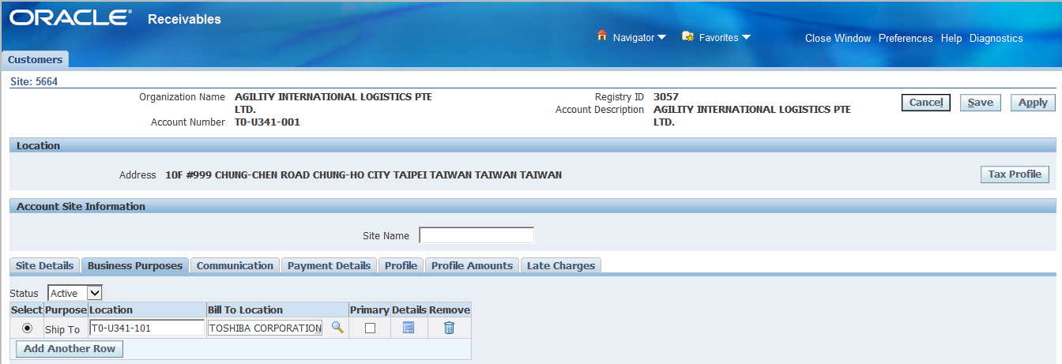
Create Customer Manual
1. Add Customer Site

ABC INC.
Customer
1. Add Customer Site

Customer
Site
Singapore
Taiwan

Ship to
Ship to
Business
Purpose

Bill to

Select a menu(Customer)
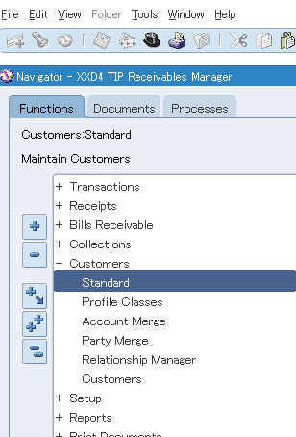

Enter "Account Number"
Push "Go" button
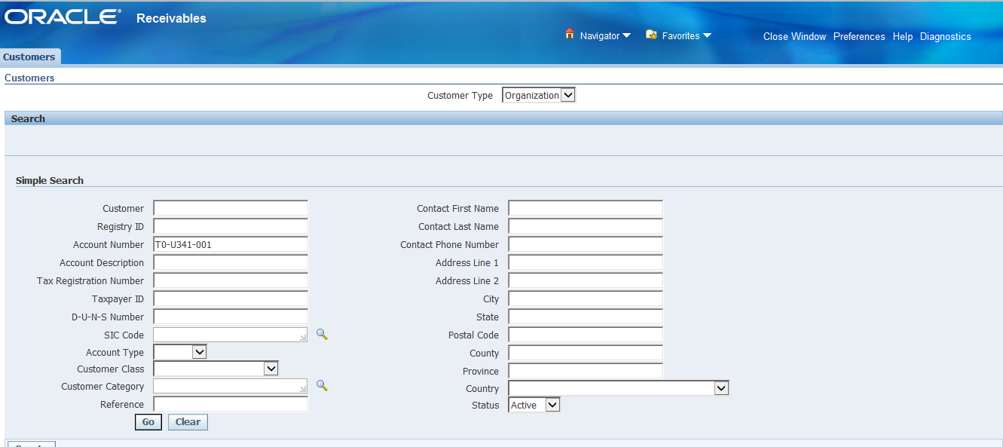

Click "Detail"

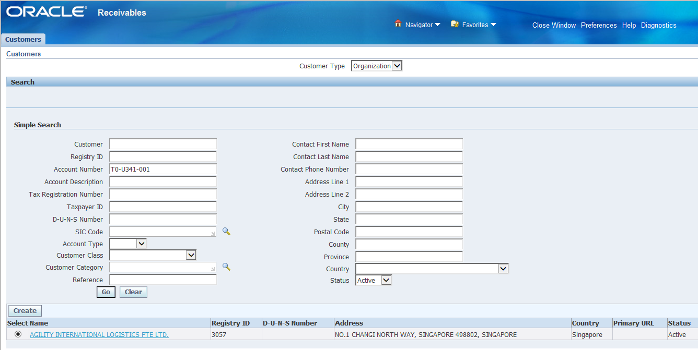

Push "Create Site" button.

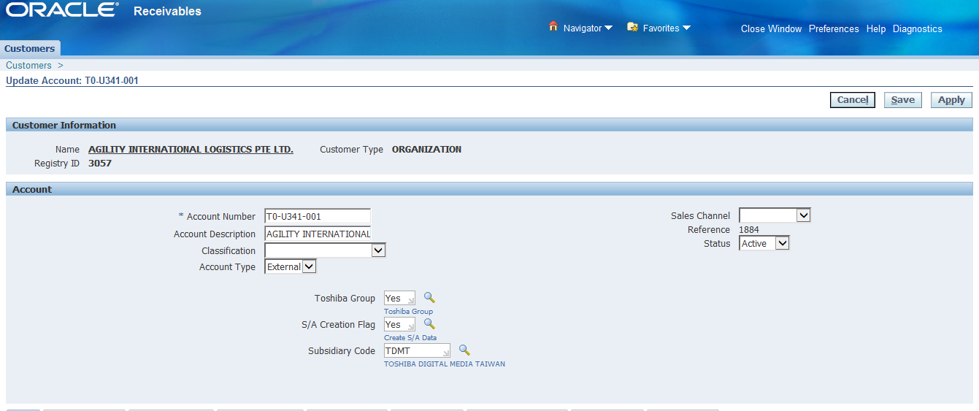

Push "Create Address" button
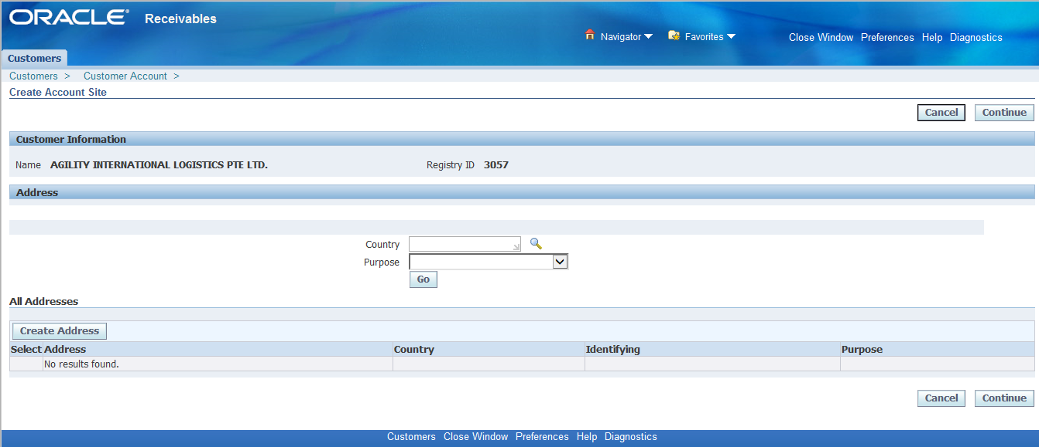

Enter Item.
Push "Finish" button.
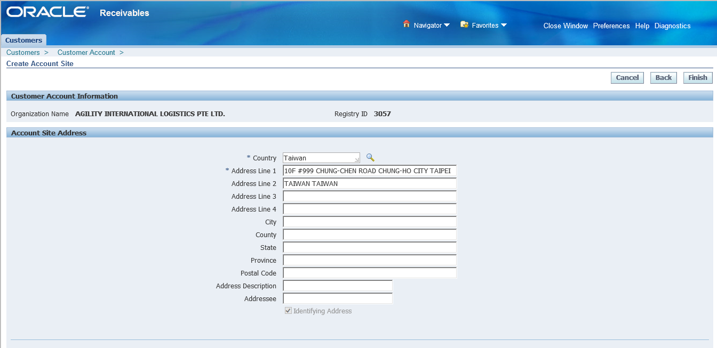

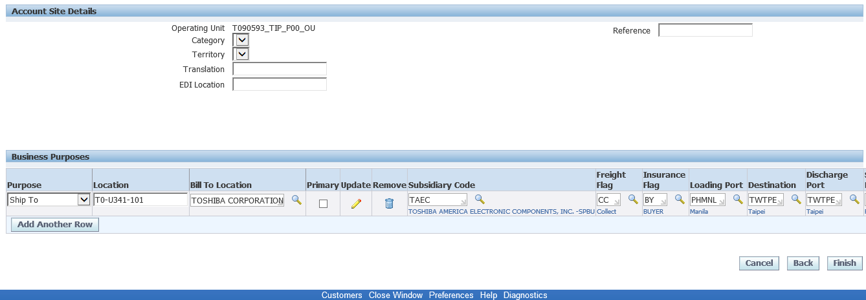

Push "Save" button.

2. Add Customer
Create Customer Manual
2. Add Customer
2. Add Customer
ABC INC.
Customer

Customer
Site
Germany

Ship to
Business
Purpose

Bill to

Select a menu(Customer)

Push "Create" button

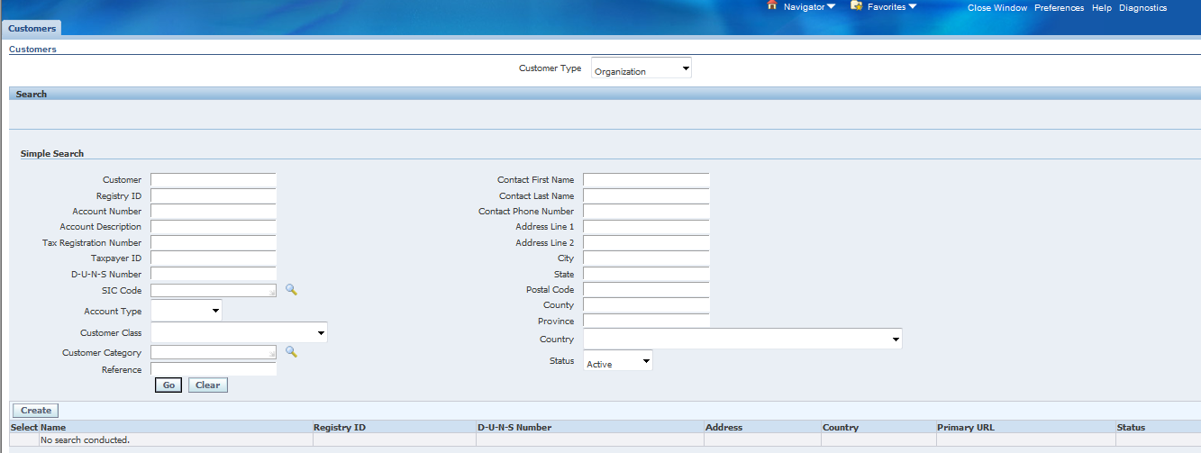

Enter Item
Push "Save and Add details" button
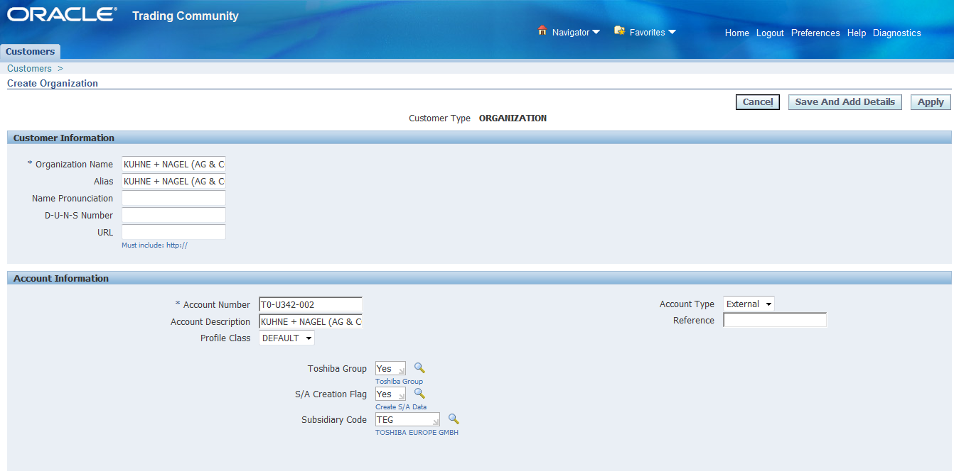

 | Customer Information | Organization_name | KUHNE + NAGEL (AG & CO) KG_901
 |  | alias | KUHNE + NAGEL (AG & CO) KG_901
 | Account Information | Account Number | T0-U342-901
 |  | Account Description | KUHNE + NAGEL (AG & CO) KG_901
 |  | Toshiba Group | Yes
 |  | S/A Creation Flag | Yes
 |  | Subsidiary Code | TAEC
 | Account Site Address | Country | Germany
 |  | Address Line 1 | C/O TOSHIBA EUROPE GMBH, AM BLUMENKAMPSHOF 70, 470
 |  | Address Line 2 | 59 DUISBURG, GERMANY
 | Account Site Details | Operating Unit | T090593_TIP_P00_OU
 |  | Status | Active
 | Business Purpose | Purpose | Ship to
 |  | Location | T0-U342-901
 |  | Bill to location
 |  | Subsidiary Code | TEG
 |  | Freight Flag | CC
 |  | Insurance Flag | BY
 |  | Loading Port | PHMNL
 |  | Destination | DEFRA
 |  | Dischange Port | DEFRA
 |  | Shipping Method | 30
 |  | Dellivery Term | FCA
 |  | Dellivery Place | PHMNL
 |  | Trade Flag | D
 |  | Intermediary | E
 |  | Commercial Flag | C
 |  | Interest | B

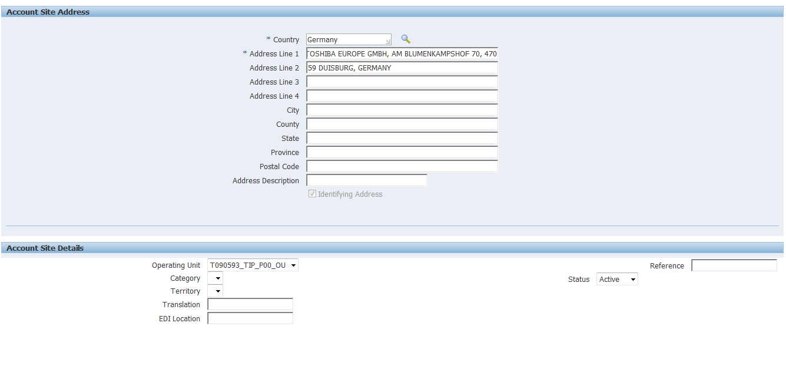

Bill to location doesn't display at this point.
Bill to location will be registered later back.

Click Order Management TAB

Enter Price List
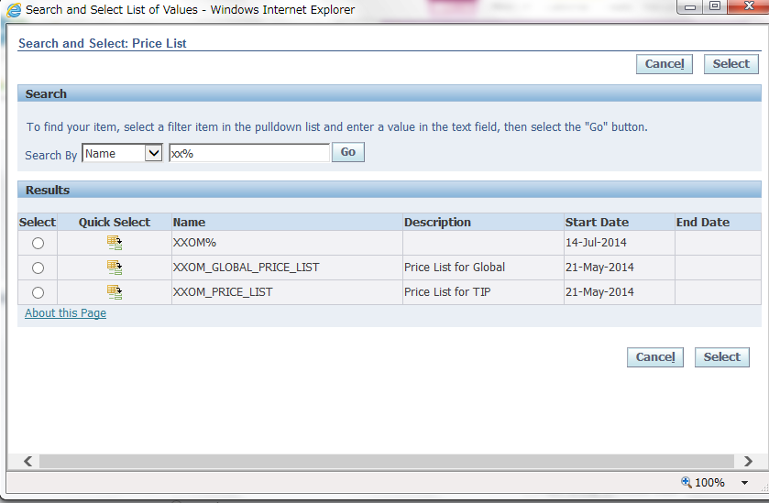

Push Save button

Click Relationships TAB

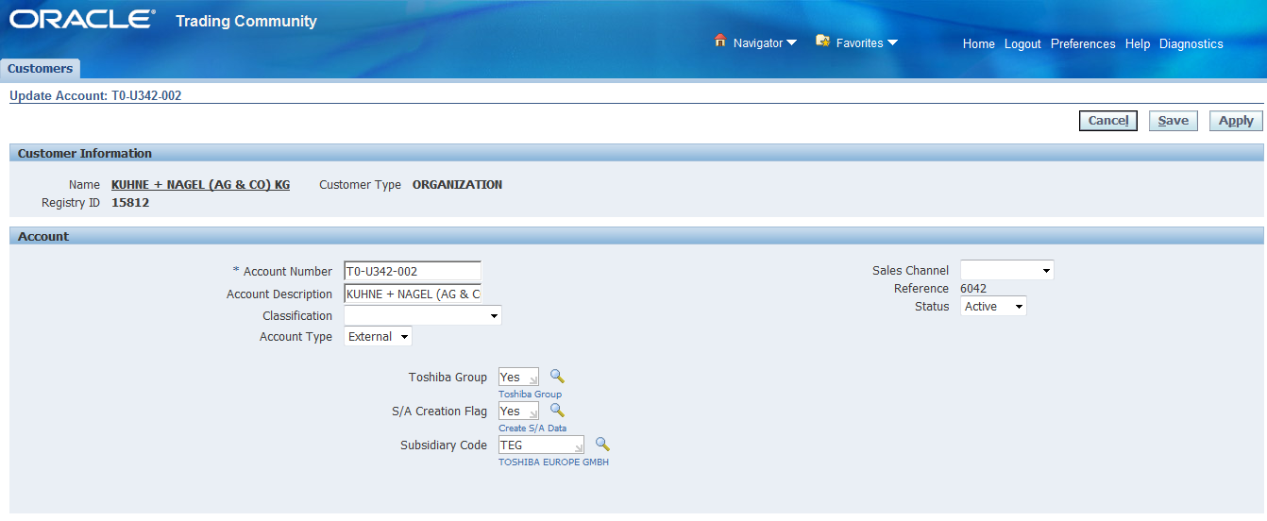

Bill to location is displayed by registering the relationships.

Push Create "Account Relationship" button

Enter Item
Push "Apply" button

 |  | Related Account | T0680100000

Push "Save" button

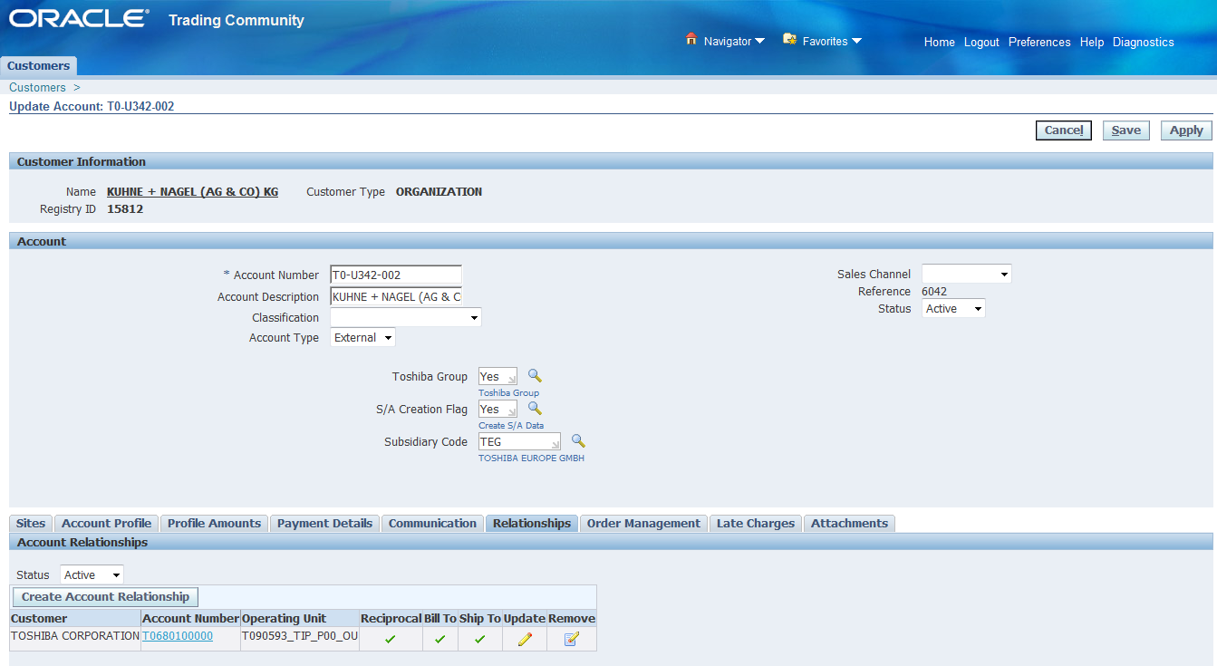

Click Sites TAB
Click Detal

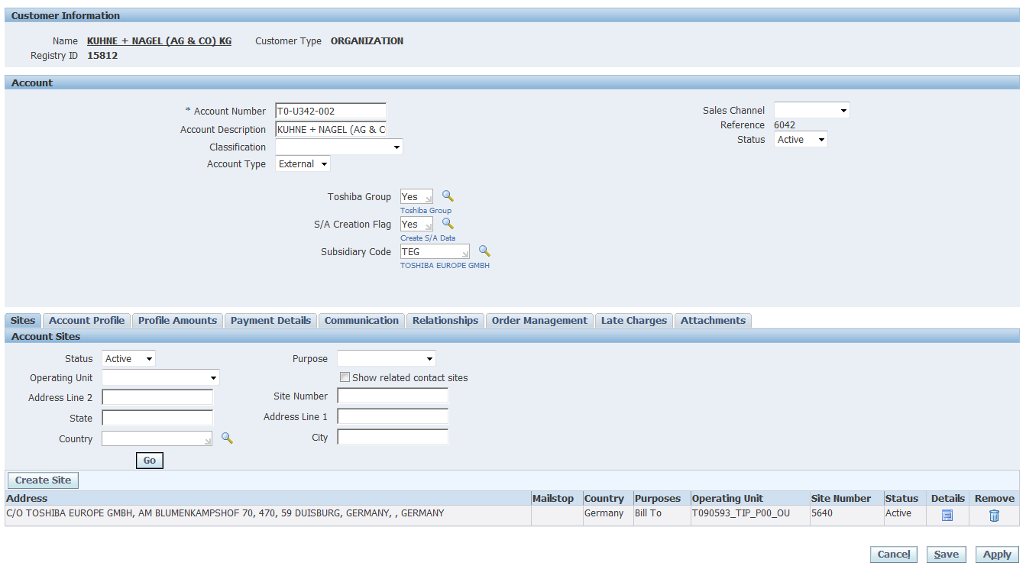

Click TAB "Business Purposes".

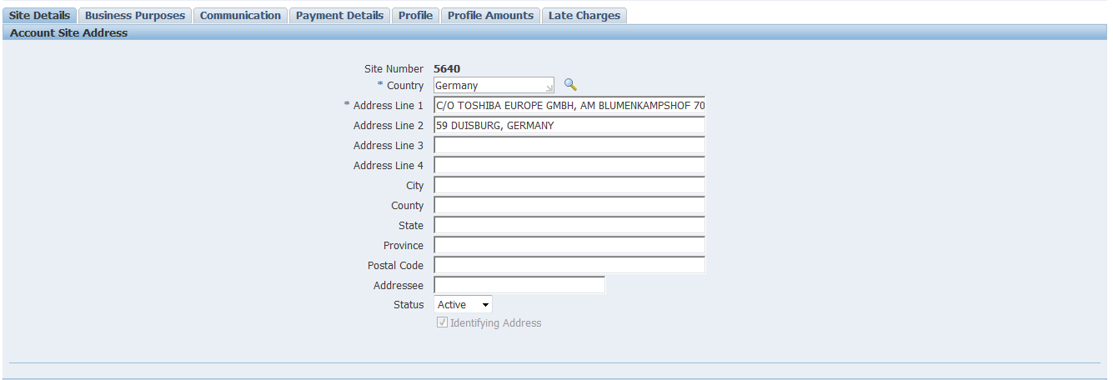

Click Bill to Location.

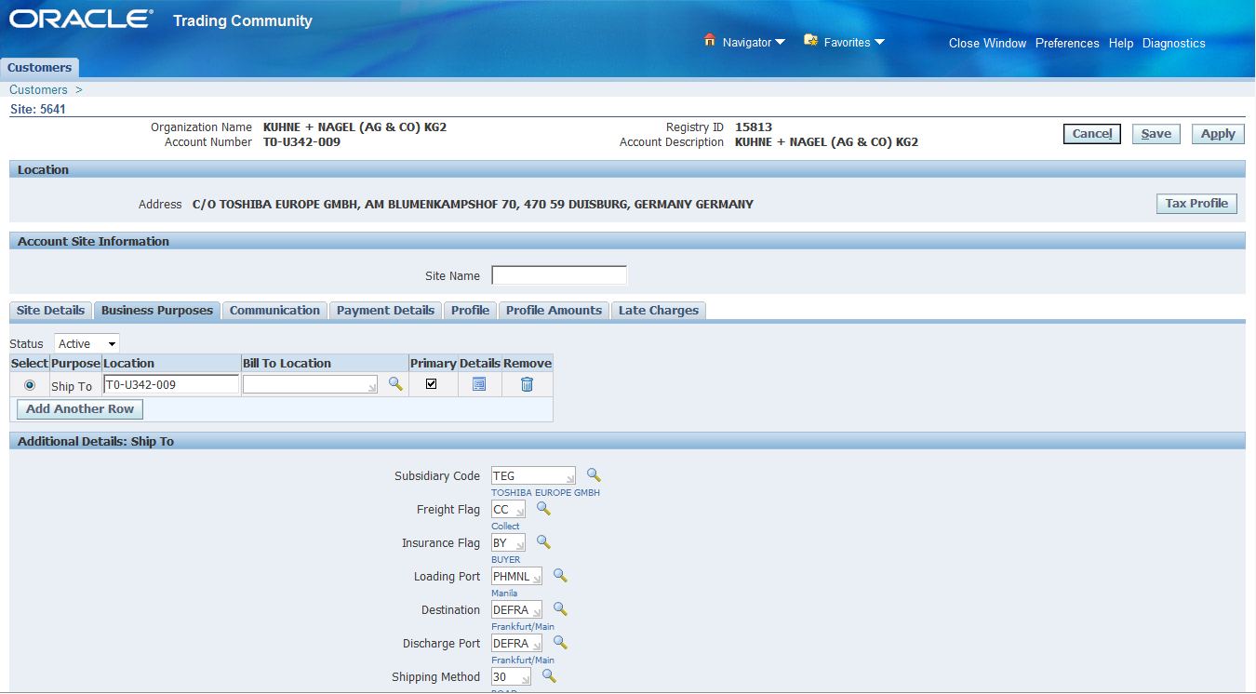

Push "Select" button.
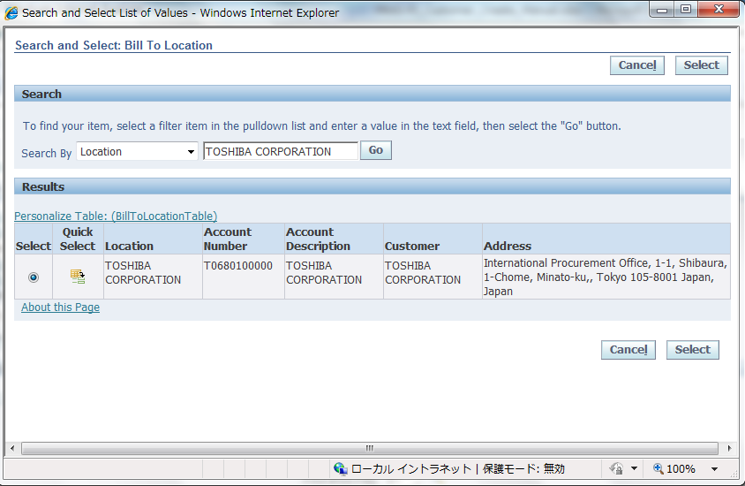

Push "Save" button.

